ZILQD
PURSUANT TO REGULATION 59A OF SECURITIES & EXCHANGE BOARD OF INDIA (MUTUAL FUNDS) REGULATIONS, 1996
MONTHLY PORTFOLIO STATEMENT OF ZERODHA NIFTY 1D RATE LIQUID ETF FOR AUGUST 2024

Name of the Instrument | ISIN | Rating / Industry | Quantity | Market value (Rs. in Lakhs) | % to NAV | YTM %

OTHERS
TREPS / Reverse Repo Investments
Clearing Corporation of India Limited |  |  |  | 199,872.32 | 99.52% | 6.70%
Total |  |  |  | 199,872.32 | 99.52%

Other Current Assets / (Liabilities)
Net Receivable / Payable |  |  |  | 956.44 | 0.48%
Total |  |  |  | 956.44 | 0.48%

GRAND TOTAL (AUM) |  |  |  | 200,828.76 | 100.00%

Notes:
(1) The aggregate value of illiquid equity shares of the Scheme and its percentage to Net Asset Value is Nil.
(2) Option wise per unit Net Asset Values are as follows:

Option | @As on 31 Aug 2024 | As on 31 Jul 2024
Direct Plan Growth Option | 104.0353 | 103.5204
@ August 31, 2024 is a non business day, hence the NAV of previous business day, i.e 30 August, has been provided
(3) Details of Schemes having exposure in Derivatives is as follows :
a. Hedging Positions through Futures as on Aug 31,2024 is Nil
For the period ended Aug 31,2024 , hedging transactions through futures which have been squared off/expired is Nil.
b. Other than Hedging Positions through Futures as on Aug 31,2024 is Nil.
For the period ended Aug 31,2024 , non-hedging transactions through futures which have been squared off/expired is Nil.
c. Hedging Positions through Options as on Aug 31,2024 is Nil.
d. Other than Hedging Positions through Options as on Aug 31,2024 is Nil.
e. Hedging Positions through swaps as on Aug 31,2024 is Nil.
(4) Dividend declared for the Month ended Augy 31,2024 - Not Applicable
(5) Bonus declared for the month ended Augy 31,2024 - Not Applicable
(6) The total market value of investments in foreign securities / American Depositary Receipts / Global Depositary Receipts as on Aug 31,2024 is Nil.
(7)Annualised Portfolio YTM : 6.70%
(8) Macaulay Duration : 0.01 Years
(9) The Average Maturity Period of the Portfolio is 2 Day.
(10) Investment in Repo in Corporate Debt Securities during the month ended Aug 31,2024 is Nil.
(11) No. of instances of deviation from valuation guidelines is Nil

This product is suitable for investors who are seeking*
> Short Term savings solution

> Investment in securities covered by NIFTY 1D Rate Index.

> Degree of risk – LOW
*Investors should consult their financial advisers if in doubt about whether the product is suitable for them.

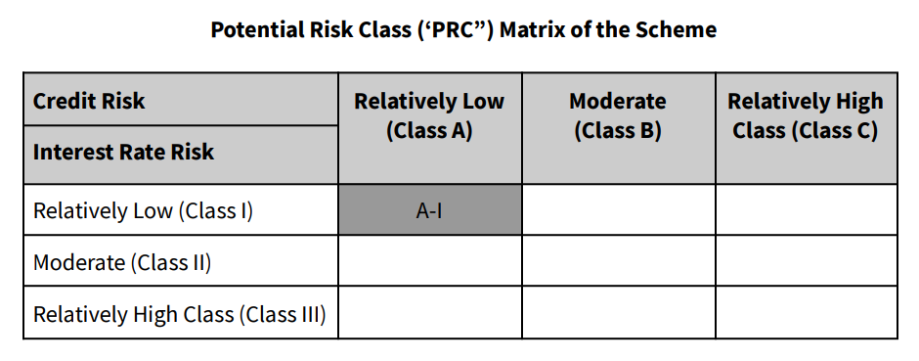
Benchmark Riskometer- Nifty 1D Rate Index

Scheme Risk-O-Meter

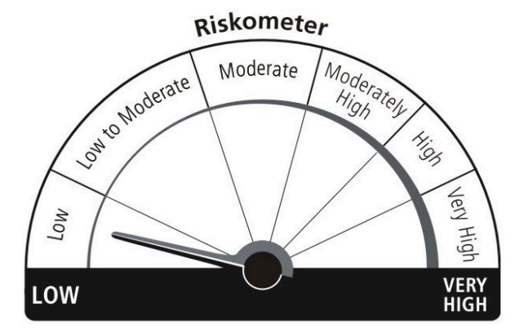

Benchmark Risk-O-Meter

